interaction plot (20260608)
 | DV: # human answers | DV: quality first human answer |  | mean | std |  | mean | std
treatment | 0.226 | -0.12 | log_textLengthCNAI_fillna | 2.77437 | 2.86413 | AI | 5.675991 | 0.5556025
treatment:log_textLengthCNAI_fillna | -0.045 | 0 |  |  |  | Human | 0 | 0
treatment:AISimWithOpus47_fillna | 0 | 0.35 | AISimWithOpus47_fillna | 0.2706813 | 0.2972415 | AI | 0.55539 | 0.1520596
 | DV: # other answers | DV: answer1_answer2_similarity |  |  |  | Human | 0 | 0
Reputation
treatment | 0.684 | 0 |  | mean | std |  | mean | std
log_textLengthCN1Ans | -0.026 | 0 | log_textLengthCN1Ans | 3.17337 | 6.150986 | AI | 5.675991 | 0.5556025
treatment:log_textLengthCN1Ans | -0.058 | 0 |  |  |  | Human | 3.443393 | 1.337533
SimWithOpus1Ans | 0 | 0.494 | SimWithOpus1Ans | 0.3290497 | 0.6833675 | AI | 0.55539 | 0.1520596
treatment:SimWithOpus1Ans | 0 | -0.109 |  |  |  | Human | 0.4452611 | 0.1869011
Reputation:log_textLengthCN1Ans
Reputation:SimWithOpus1Ans

 | AI Answer | No Answer
6.2315935 | -0.0544217075
5.1203885 | -0.0044174825
0 | 0.226 | 0
7 |  | 0
 | AI Answer | No Answer
0.8 |  | 0
0 | -0.12 | 0
0.4033304 | 0.02116564
0.7074496 | 0.12760736
 | DV: # human answers
log_textLengthCNAI_fillna | AI Answer | No Answer
6.2315935 | -0.0544217075
5.1203885 | -0.0044174825
0 | 0.226 | 0
7 |  | 0

 | DV: first human answer quality
AISimWithOpus47_fillna | AI Answer | No Answer
0.8 |  | 0
0 | -0.12 | 0
0.4033304 | 0.02116564
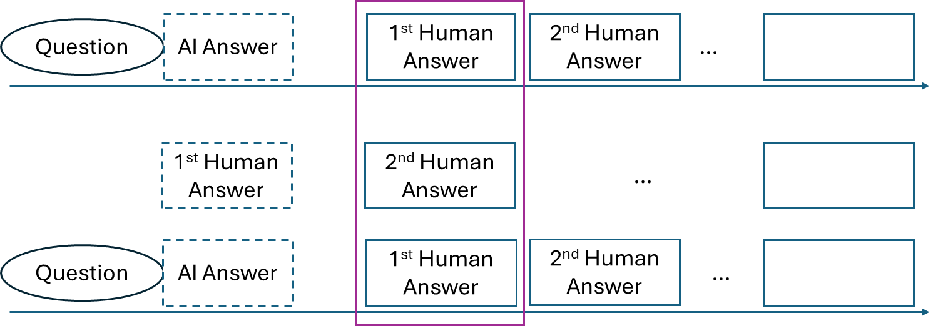
0.7074496 | 0.12760736

 | AI Answer | Human Answer
5.1203885 | 0.253887366
6.2315935 | 0.160546146
0 | 0.684
2.10586 |  | -0.05475236
4.780926 |  | -0.124304076
0 |  | 0
 | DV: # other answers
log_textLengthCN1Ans | AI Answer | Human Answer
5.1203885 | 0.253887366
6.2315935 | 0.160546146
0 | 0.684
2.10586 |  | -0.05475236
4.780926 |  | -0.124304076
0 |  | 0
 | DV: answer1_answer2_similarity
SimWithOpus1Ans | AI Answer | Human Answer
0.7074496 | 0.272368096
0.4033304 | 0.155282204
0 | 0 | 0
0.25836 |  | 0.12762984
0.6321622 |  | 0.3122881268

Sheet3
 | # Answer after 7 days |  |  |  | 1/Next Answer Time
Has1stAns | 0.342 |  |  | Has1stAns | 5.461
1stLength | -0.016 |  |  | 1stLength | -0.188
1stSimTrue | 0 |  |  | 1stSimTrue | 0
1stAI | 0.747 |  |  | 1stAI | 1.349
1stAI*1stLength | -0.066 |  |  | 1stAI*1stLength | 0
1stAI*1stSimTrue | 0 |  |  | 1stAI*1stSimTrue | 0

Length | No Answer | 1st AI | 1st Human | Length | No Answer | 1st AI | 1st Human
6.2315935 |  | 0.578009333 |  | 6.2315935 |  | 5.638460422
5.1203885 |  | 0.669128143 |  | 5.1203885 |  | 5.847366962
0 | 0 | 1.089 | 0.342 | 0 | 0 | 6.81 | 5.461
2.10586 |  |  | 0.30830624 | 2.10586 |  |  | 5.06509832
4.780926 |  |  | 0.265505184 | 4.780926 |  |  | 4.562185912

 | 1st AI | 1st Human | No Answer
6.2315935 | 0.578009333
5.1203885 | 0.669128143
0 | 1.089 | 0.342 | 0
2.10586 |  | 0.30830624
4.780926 |  | 0.265505184
 | 1st AI | 1st Human | No Answer
6.2315935 | 5.638460422
5.1203885 | 5.847366962
0 | 6.81 | 5.461 | 0
2.10586 |  | 5.06509832
4.780926 |  | 4.562185912

interaction plot
 | DV: # human answers | DV: harzard first human answer |  |  | mean | std |  | mean | std
treatment | 0.226 | 1.113 |  | log_textLengthCNAI_fillna | 2.77437 | 2.86413 | AI | 5.675991 | 0.5556025
treatment:log_textLengthCNAI_fillna | -0.045 | -0.227 |  |  |  |  | Human | 0 | 0
treatment:AISimWithOpus47_fillna | 0 | 0 |  | AISimWithOpus47_fillna | 0.2706813 | 0.2972415 | AI | 0.55539 | 0.1520596
 | DV: # other answers | DV: harzard second answer | DV: answer1_answer2_similarity |  |  |  | Human | 0 | 0
treatment | 0.684 | 1.239 | 0 |  | mean | std |  | mean | std
log_textLengthCN1Ans | -0.026 | -0.208 | 0 | log_textLengthCN1Ans | 3.17337 | 6.150986 | AI | 5.675991 | 0.5556025
treatment:log_textLengthCN1Ans | -0.058 | 0 | 0 |  |  |  | Human | 3.443393 | 1.337533
SimWithOpus1Ans | 0 | 0 | 0.494 | SimWithOpus1Ans | 0.3290497 | 0.6833675 | AI | 0.55539 | 0.1520596
treatment:SimWithOpus1Ans | 0 | 0 | -0.109 |  |  |  | Human | 0.4452611 | 0.1869011

 | AI Answer | No Answer
6.2315935 | -0.0544217075
5.1203885 | -0.0044174825
0 | 0.226 | 0
 | AI Answer | Human Answer
6.2315935 | -0.3015717245
5.1203885 | -0.0493281895
0 |  | 0
0 |  | 0
 | DV: # human answers
log_textLengthCNAI_fillna | AI Answer | No Answer
6.2315935 | -0.0544217075
5.1203885 | -0.0044174825
0 | 0.226 | 0
0 |  | 0

 | DV: harzard first human answer
log_textLengthCNAI_fillna | AI Answer | Human Answer
6.2315935 | -0.3015717245
5.1203885 | -0.0493281895
0 |  | 0
0 |  | 0

 | AI Answer | Human Answer
5.1203885 | 0.253887366
6.2315935 | 0.160546146
0 | 0.684
2.10586 |  | -0.05475236
4.780926 |  | -0.124304076
0 |  | 0
 | DV: # other answers
log_textLengthCN1Ans | AI Answer | Human Answer
5.1203885 | 0.253887366
6.2315935 | 0.160546146
0 | 0.684
2.10586 |  | -0.05475236
4.780926 |  | -0.124304076
0 |  | 0
 | DV: answer1_answer2_similarity
SimWithOpus1Ans | AI Answer | Human Answer
0.4033304 | 0.155282204
0.7074496 | 0.272368096
0.25836 |  | 0.12762984
0.6321622 |  | 0.3122881268
0

